pca plot nirsc(blue),wsu(green)
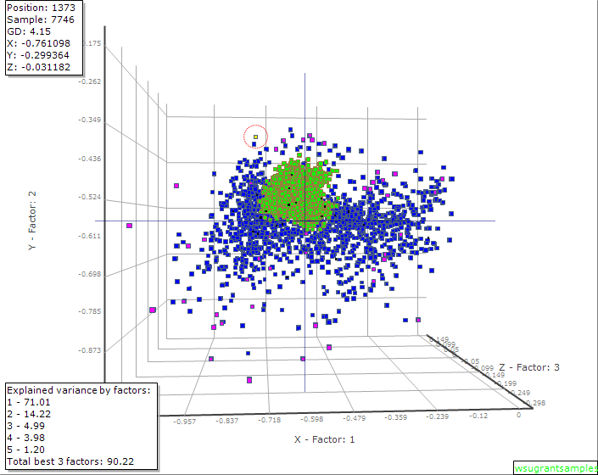
Green = WSU Grant Samples
Blue= NIRSC Legume Hay Database samples

